Sheet1
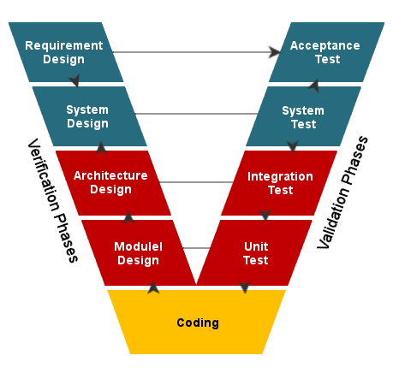
Waterfall model

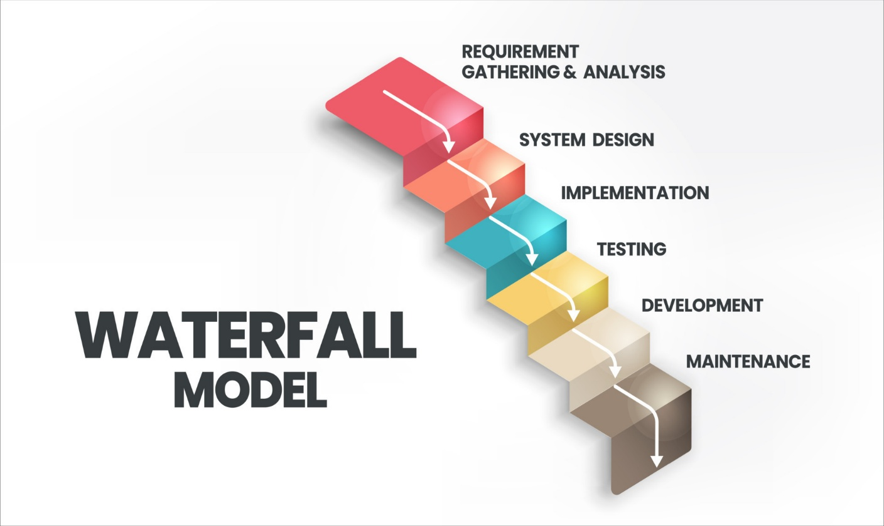

V-Model Testing (Verification and Validation Model)

